China Calculations
Fraction of Commercial Floorspace that is New

Unit:10^4 m2 | 2010 | 2011 | 2012 | 2013 | 2014 | 2015 | 2016 | 2017 | 2018 | 2019 | 2020 | 2021 | 2022 | 2023 | 2024 | 2025 | 2026 | 2027 | 2028 | 2029 | 2030 | 2031 | 2032 | 2033 | 2034 | 2035 | 2036 | 2037 | 2038 | 2039 | 2040 | 2041 | 2042 | 2043 | 2044 | 2045 | 2046 | 2047 | 2048 | 2049 | 2050
住宅 | 611.7 | 471.9 | 557.6 | 348 | 645 | 616 | 330.4 | 394.7 | 467.4 | 380.3 | 483.7
非住宅 | 527.6 | 519.5 | 836.9 | 483 | 454 | 448 | 898.2 | 978.2 | 942.1 | 763.2 | 604.5
总建筑面积
新建（竣工）建筑面积 | 1139.3 | 991.4 | 1394.5 | 831 | 1099 | 1064 | 1228.6 | 1372.9 | 1409.5 | 1143.5 | 1088.2

Commercial New Floorspace
Hong Kong urbanization rate |  |  |  |  |  | 100.00% |  |  |  |  | 72%
Household size | 2.9 | 2.9 | 2.9 | 2.9 | 2.9 | 2.9 | 2.80 | 2.80 | 2.80 | 2.80 | 2.7 | 2.70 | 2.70 | 2.70 | 2.70 | 2.70 | 2.70 | 2.70 | 2.70 | 2.70 | 2.70 | 2.60 | 2.60 | 2.60 | 2.60 | 2.60 | 2.60 | 2.60 | 2.60 | 2.60 | 2.60 | 2.60 | 2.60 | 2.60 | 2.60 | 2.60 | 2.60 | 2.60 | 2.60 | 2.60 | 2.60
城镇居民人均居住面积^2 |  |  |  |  |  | 15 | 15.37 | 15.73 | 16.10 | 16.47 | 17.2 | 17.42 | 17.63 | 17.85 | 18.07 | 18.28 | 18.50 | 18.72 | 18.93 | 19.15 | 19.37 | 19.58 | 19.80 | 20.02 | 20.23 | 20.45 | 20.67 | 20.88 | 21.10 | 21.32 | 21.53 | 21.75 | 21.97 | 22.18 | 22.40 | 22.62 | 22.83 | 23.05 | 23.27 | 23.48 | 23.7
城镇居住人口 |  |  |  |  |  |  | 3.95 | 4.06 | 4.02 | 4.05 | 4.0849012231 | 4.10 | 4.11 | 4.17 | 4.19 | 4.22 | 4.24 | 4.25 | 4.27 | 4.29 | 4.31 | 4.32 | 4.34 | 4.36 | 4.37 | 4.39 | 4.40 | 4.41 | 4.42 | 4.43 | 4.43 | 4.44 | 4.44 | 4.44 | 4.44 | 4.44 | 4.44 | 4.43 | 4.42 | 4.41 | 4.40242
城镇居住总面积 Mil. M2 |  |  |  |  |  |  | 60.77223408 | 63.945276616 | 64.750621265 | 66.727463137 | 70.260301038 | 71.399409175 | 72.405876133 | 74.404137565 | 75.753339196 | 77.071836518 | 78.350047217 | 79.612535906 | 80.884124583 | 82.160689245 | 83.421054721 | 84.679285531 | 85.94151609 | 87.230538017 | 88.510624139 | 89.755557607 | 90.948124512 | 92.096640668 | 93.249070852 | 94.376274247 | 95.478486873 | 96.536944391 | 97.552581462 | 98.542234442 | 99.500155114 | 100.42411532 | 101.30807509 | 102.13186615 | 102.92314759 | 103.66554542 | 104.337354
新增城镇居住面积 |  |  |  |  |  |  |  |  |  |  |  | 1 | 1.006466958 | 1.9982614321 | 1.3492016308 | 1.3184973227 | 1.2782106984 | 1.2624886891 | 1.2715886767 | 1.2765646621 | 1.260365476 | 1.2582308101 | 1.2622305594 | 1.2890219272 | 1.2800861218 | 1.2449334674 | 1.1925669053 | 1.1485161556 | 1.1524301844 | 1.1272033949 | 1.1022126258 | 1.0584575187 | 1.0156370702 | 0.98965298029 | 0.95792067246 | 0.923960203 | 0.88395976884 | 0.82379106251 | 0.79128144049 | 0.74239783533 | 0.67180857556
新增比例-commercial |  |  |  |  |  |  |  |  |  |  |  | 1.6% | 1.4% | 2.8% | 1.8% | 1.7% | 1.7% | 1.6% | 1.6% | 1.6% | 1.5% | 1.5% | 1.5% | 1.5% | 1.5% | 1.4% | 1.3% | 1.3% | 1.3% | 1.2% | 1.2% | 1.1% | 1.1% | 1.0% | 1.0% | 0.9% | 0.9% | 0.8% | 0.8% | 0.7% | 0.6%
农村居民人均居住面积 |  |  |  |  |  | 11.216666667 | 11.32 | 11.43 | 11.54 | 11.65 | 11.76 | 11.87 | 11.97 | 12.08 | 12.19 | 12.30 | 12.41 | 12.51 | 12.62 | 12.73 | 12.84 | 12.95 | 13.05 | 13.16 | 13.27 | 13.38 | 13.49 | 13.59 | 13.70 | 13.81 | 13.92 | 14.03 | 14.14 | 14.24 | 14.35 | 14.46 | 14.57 | 14.68 | 14.78 | 14.89 | 15
农村住人口 |  |  |  |  |  |  | 3.3817908408 | 3.327381571 | 3.4292222817 | 3.4503249107 | 3.4731987769 | 3.4807123919 | 3.5438066465 | 3.5293009768 | 3.5453107456 | 3.5593850582 | 3.5711623126 | 3.5818361938 | 3.5925511664 | 3.6031245825 | 3.6126445067 | 3.6217513771 | 3.6307193894 | 3.6405046786 | 3.649604573 | 3.6569751782 | 3.6619842978 | 3.665045379 | 3.6681127558 | 3.6700532801 | 3.6709145415 | 3.6700197981 | 3.6674630594 | 3.663925645 | 3.6592287895 | 3.6533296101 | 3.6460499962 | 3.6367164361 | 3.6263690148 | 3.6144693929 | 3.60198
农村居住总面积 Mil. M2 |  |  |  |  |  |  | 38.30 | 38.04 | 39.58 | 40.19 | 40.83 | 41.30 | 42.43 | 42.64 | 43.22 | 43.77 | 44.30 | 44.82 | 45.34 | 45.87 | 46.38 | 46.89 | 47.40 | 47.92 | 48.43 | 48.93 | 49.39 | 49.83 | 50.26 | 50.69 | 51.10 | 51.48 | 51.84 | 52.19 | 52.52 | 52.83 | 53.11 | 53.37 | 53.61 | 53.83 | 54.03
新增农村居住面积 |  |  |  |  |  |  |  |  |  |  |  | 0.46458707964 | 1.1316969772 | 0.20781940996 | 0.57665208822 | 0.55631174416 | 0.530857828 | 0.51959655669 | 0.52242279995 | 0.52293726078 | 0.51169830258 | 0.50840894788 | 0.50856507141 | 0.52126118077 | 0.51428115271 | 0.4931130426 | 0.46285792962 | 0.43745773522 | 0.43820577878 | 0.42330600934 | 0.40870322245 | 0.3842576876 | 0.36057155383 | 0.34605071992 | 0.32864632938 | 0.31024588228 | 0.28886089173 | 0.25714398027 | 0.24013742387 | 0.21478518546 | 0.20336603677
新增比例-urban residential |  |  |  |  |  |  |  |  |  |  |  | 1.1% | 2.7% | 0.5% | 1.4% | 1.3% | 1.2% | 1.2% | 1.2% | 1.2% | 1.1% | 1.1% | 1.1% | 1.1% | 1.1% | 1.0% | 0.9% | 0.9% | 0.9% | 0.8% | 0.8% | 0.8% | 0.7% | 0.7% | 0.6% | 0.6% | 0.5% | 0.5% | 0.4% | 0.4% | 0.4%
商业和公共建筑人均面积 |  |  |  |  |  |  |  |  |  |  | 13.620902907
公共建筑总面积 Mil. M2 |  |  |  |  |  |  |  |  |  |  | 47.9 | 48.27 | 48.64 | 49.01 | 49.38 | 49.75 | 50.12 | 50.49 | 50.86 | 51.23 | 51.60 | 51.97 | 52.34 | 52.71 | 53.08 | 53.45 | 53.82 | 54.19 | 54.56 | 54.93 | 55.30 | 55.67 | 56.04 | 56.41 | 56.78 | 57.15 | 57.52 | 57.89 | 58.26 | 58.63 | 59.00
新增公建面积 |  |  |  |  |  |  |  |  |  |  |  | 0.37 | 0.37 | 0.37 | 0.37 | 0.37 | 0.37 | 0.37 | 0.37 | 0.37 | 0.37 | 0.37 | 0.37 | 0.37 | 0.37 | 0.37 | 0.37 | 0.37 | 0.37 | 0.37 | 0.37 | 0.37 | 0.37 | 0.37 | 0.37 | 0.37 | 0.37 | 0.37 | 0.37 | 0.37 | 0.37
新增比例-rural residential |  |  |  |  |  |  |  |  |  |  |  | 0.77% | 0.76% | 0.75% | 0.75% | 0.74% | 0.74% | 0.73% | 0.73% | 0.72% | 0.72% | 0.71% | 0.71% | 0.70% | 0.70% | 0.69% | 0.69% | 0.68% | 0.68% | 0.67% | 0.67% | 0.66% | 0.66% | 0.66% | 0.65% | 0.65% | 0.64% | 0.64% | 0.64% | 0.63% | 0.63%

Weighted average fraction of homes that are new
UR-RE | 1.3% |  | 70.260301038
RU-RE | 0.9% |  | 40.834894191
COM | 0.69% |  | 47.9
total | 1.04%

Share of Components That is New This Year

The share of new components is the share of old components that are replaced in surviving
buildings, plus the share of components in new buildings (which equals the share of new
buildings, because all components in new buildings are new components).

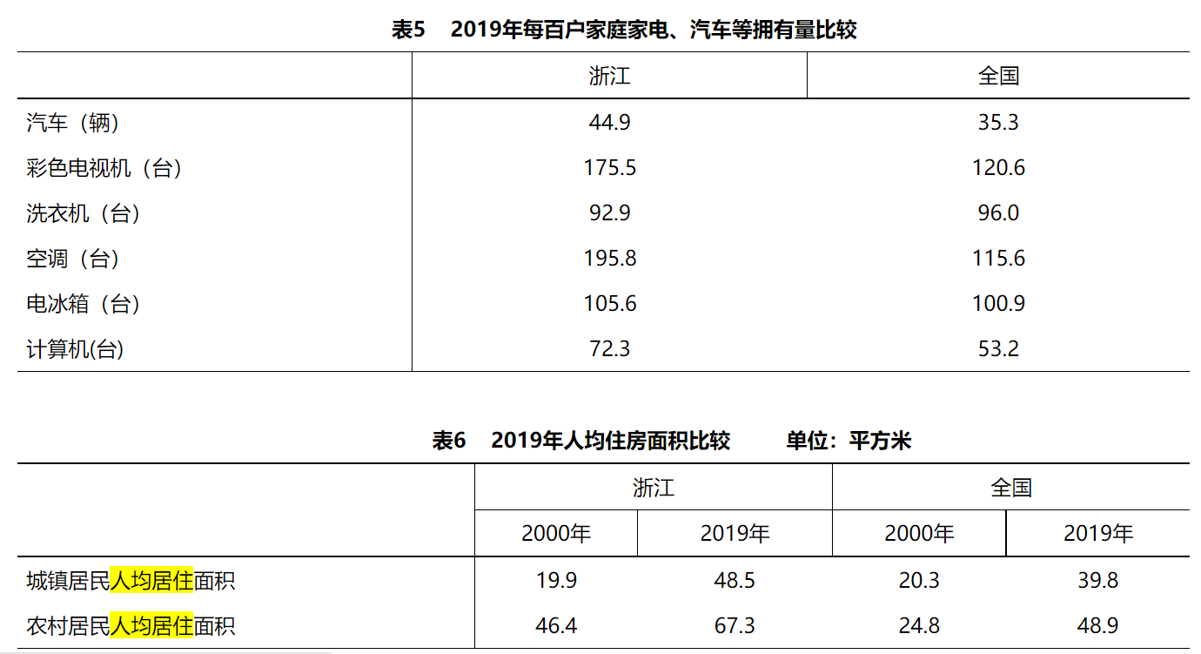
Share of Buildings that are Surviving
UR-RE | 98.7%
RU-RE | 99%
COM | 99.31%

Replacement rate of components in surviving buildings
heating | 0.057692307692
cooling and ventilation | 0.071428571429
lighting | 0.019298245614
appliances | 0.1095
other component | 0.087719298246

Replacement rate of all components
 | UR-RE | RU-RE | COM
heating | 7.02% | 6.65% | 6.42%
cooling and ventilation | 8.38% | 8.01% | 7.79%
lighting | 3.23% | 2.85% | 2.61%
appliances | 12.13% | 11.79% | 11.57%
other component | 9.98% | 9.63% | 9.40%

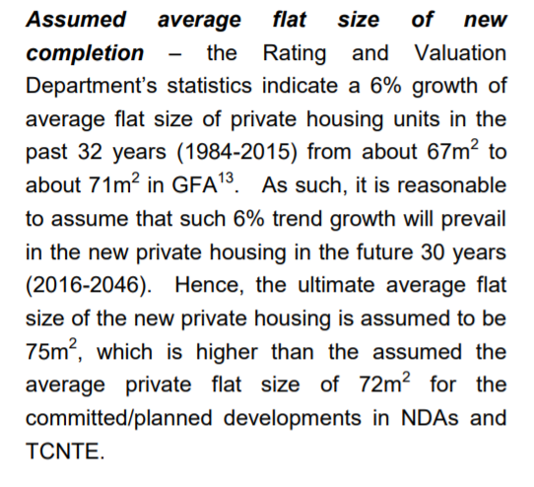
^1 | https://www.statistics.gov.hk/pub/B10100032016AN16B0100.pdf | table 8.3 Usable floor area of newly completed buildings by end-use and geographic area | https://www.statistics.gov.hk/pub/B10100022019MM06B0100.pdf | Table:8.4 Newly completed private buildings by type of building
^2 |  |  |  |  | https://www.censtatd.gov.hk/en/scode600.html

 | https://www.info.gov.hk/gia/general/202303/29/P2023032900422.htm
 | the median per capita floor area of accommodation of domestic households in Hong Kong

